Data (T,P.h)
Steady state: The system was allowed to rebalance for a few minutes only, this is not a true steady state condition.
Steady state parameters: Both fans on high, both heater lamps on, both capillary valves open, TEV closed, set point temp. of 9°C.
The recorded data points (T,P,h) are listed in chronological order from top to bottom of the page.
Accompanying P-h diagrams are contained in relevently labelled tabs.
Continuous data trends for the experiment are provided in the TrendRecorder tab. A rough timeline of experimental procedure is superimposed on this graph.
Steady State 1
 | Temp. | Pressure | Enthalpy
 | (°C) | (bar) | (kJ/kg)
T1 | 32.50 | 9.69 | 245.35
T2 | -6.61 | 2.47 | 245.35
T3 | -6.44 | 2.47 | 394.80
T4 | 45.08 | 9.69 | 421.55
T5 | 38.41 | 9.69 | 418.73
Evaporator Fan Low
 | Temp. | Pressure | Enthalpy
 | (°C) | (bar) | (kJ/kg)
T1 | 29.04 | 8.92 | 240.34
T2 | -15.24 | 1.83 | 240.34
T3 | -15.08 | 1.83 | 389.58
T4 | 47.26 | 8.92 | 422.40
T5 | 36.95 | 8.92 | 418.08
Evaporator Fan Off
 | Temp. | Pressure | Enthalpy
 | (°C) | (bar) | (kJ/kg)
T1 | 26.39 | 8.38 | 240.84
T2 | -16.54 | 1.87 | 240.84
T3 | -16.10 | 1.87 | 388.96
T4 | 51.13 | 8.38 | 423.84
T5 | 39.80 | 8.38 | 419.34
Steady State 2
 | Temp. | Pressure | Enthalpy
 | (°C) | (bar) | (kJ/kg)
T1 | 29.47 | 9.11 | 240.96
T2 | -12.31 | 2.05 | 240.96
T3 | 5.71 | 2.05 | 401.90
T4 | 52.92 | 9.11 | 424.46
T5 | 39.87 | 9.11 | 419.37
Condensor Fan Low
 | Temp. | Pressure | Enthalpy
 | (°C) | (bar) | (kJ/kg)
T1 | 37.38 | 11.62 | 252.52
T2 | -9.47 | 2.34 | 252.52
T3 | -9.32 | 2.34 | 393.07
T4 | 58.85 | 11.62 | 426.31
T5 | 50.50 | 11.62 | 426.62
Steady State 3
 | Temp. | Pressure | Enthalpy
 | (°C) | (bar) | (kJ/kg)
T1 | 30.50 | 9.43 | 242.44
T2 | -9.49 | 2.35 | 242.44
T3 | -0.83 | 2.35 | 398.11
T4 | 59.27 | 9.43 | 426.43
T5 | 44.10 | 9.43 | 421.15
Capillary 2 Closed
 | Temp. | Pressure | Enthalpy
 | (°C) | (bar) | (kJ/kg)
T1 | 29.96 | 8.98 | 241.66
T2 | -14.59 | 2.01 | 241.66
T3 | -8.90 | 2.01 | 393.32
T4 | 58.06 | 8.98 | 426.09
T5 | 44.50 | 8.98 | 421.31
Steady State 4
 | Temp. | Pressure | Enthalpy
 | (°C) | (bar) | (kJ/kg)
T1 | 30.71 | 9.50 | 242.75
T2 | -10.90 | 2.25 | 242.75
T3 | -11.01 | 2.25 | 392.05
T4 | 62.00 | 9.50 | 427.14
T5 | 46.45 | 9.50 | 422.09

TrendRecorder
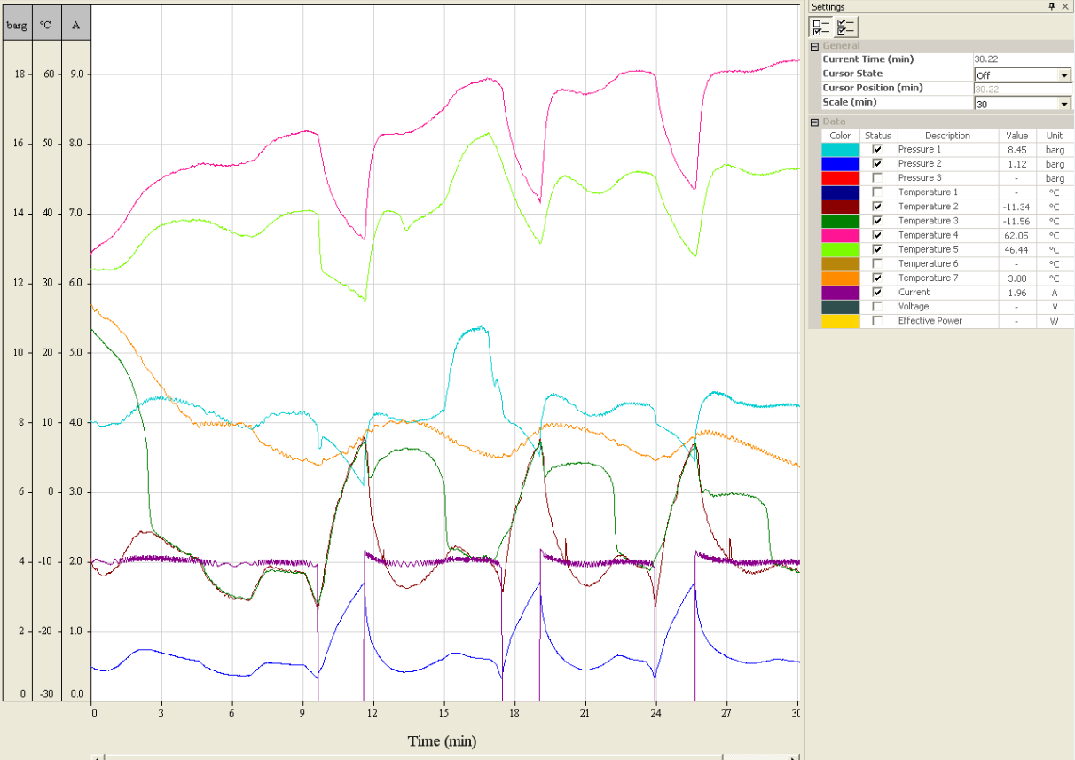
Rough timeline of experimental procedure: 1.System start up
2. Evaporator fan low
3. Steady state
4. Evaporator fan off
5. Safety tripped (compressor off system restart) 6. Steady state
7. Condensor fan low
8. Safety tripped (compressor off system restart)
9. Steady state
10. Close capillary 2 / leave capillary 1 open
11. Safety trippped (compressor off system restart) 12. Steady state
Note: Temperature and pressure numbering aligns with Fig.1 of the assignment handout. i.e. same as during the lab.
1
2
3
4
5
6
8
9
7
10
11
12

SteadyState1
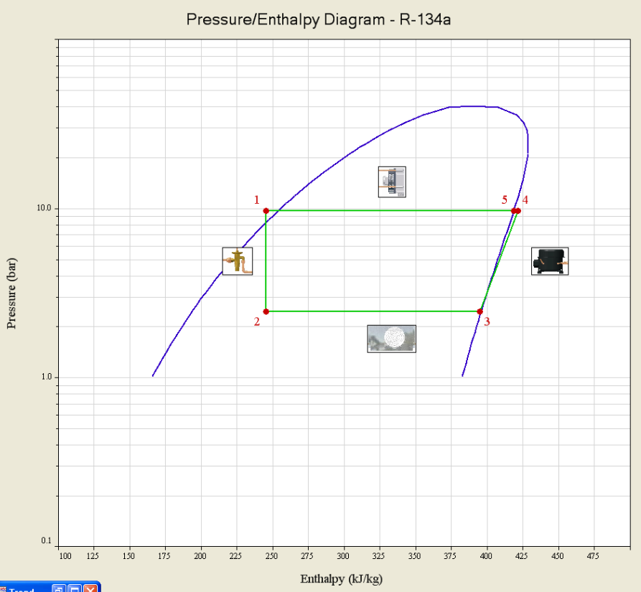

EvapFanLow
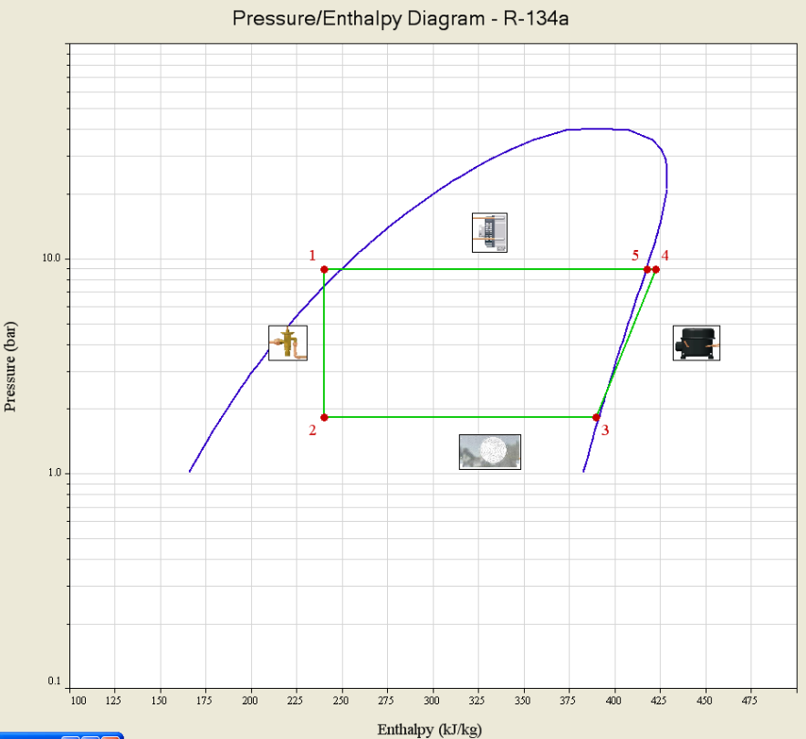

EvapFanOff
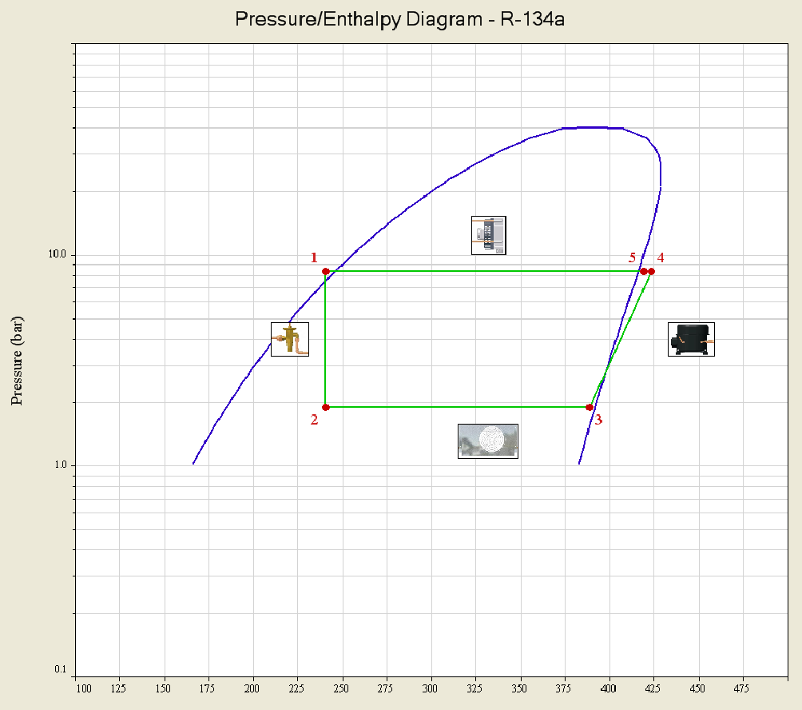

SteadyState2
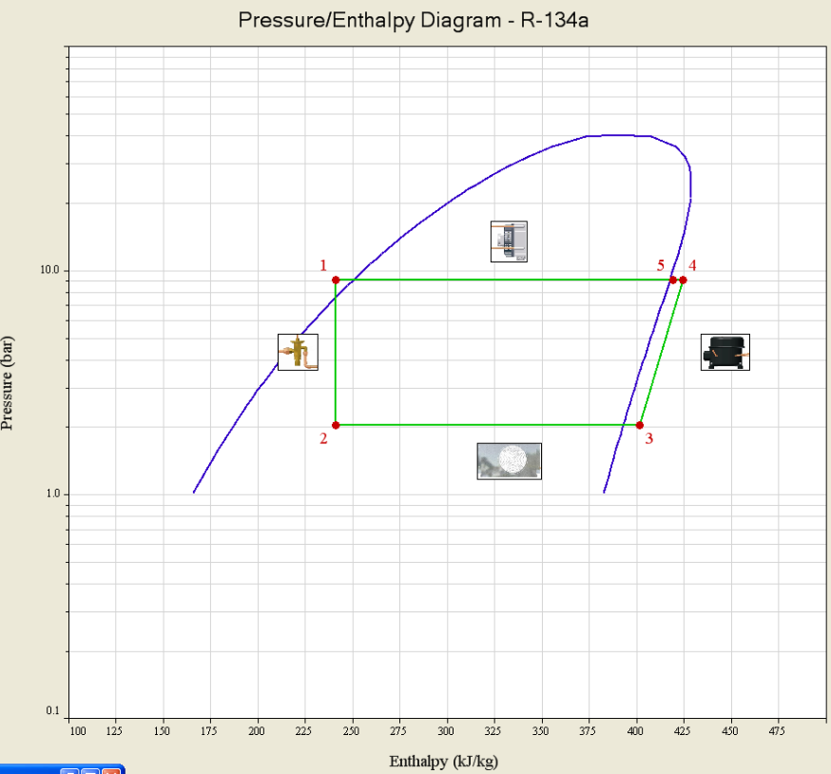

CondensorFanLow
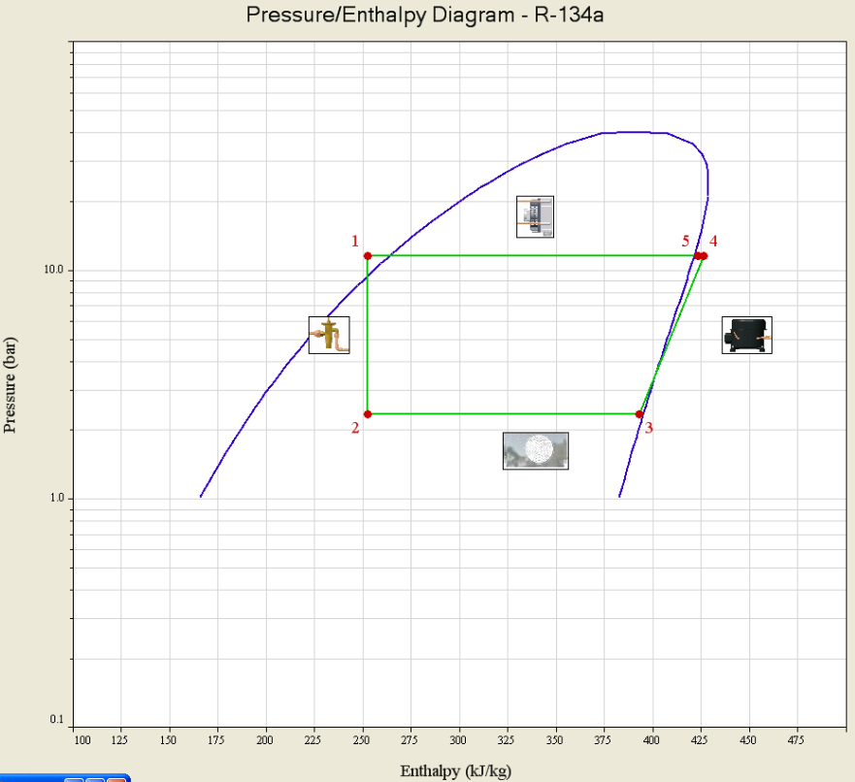

SteadyState3


Cap2Closed
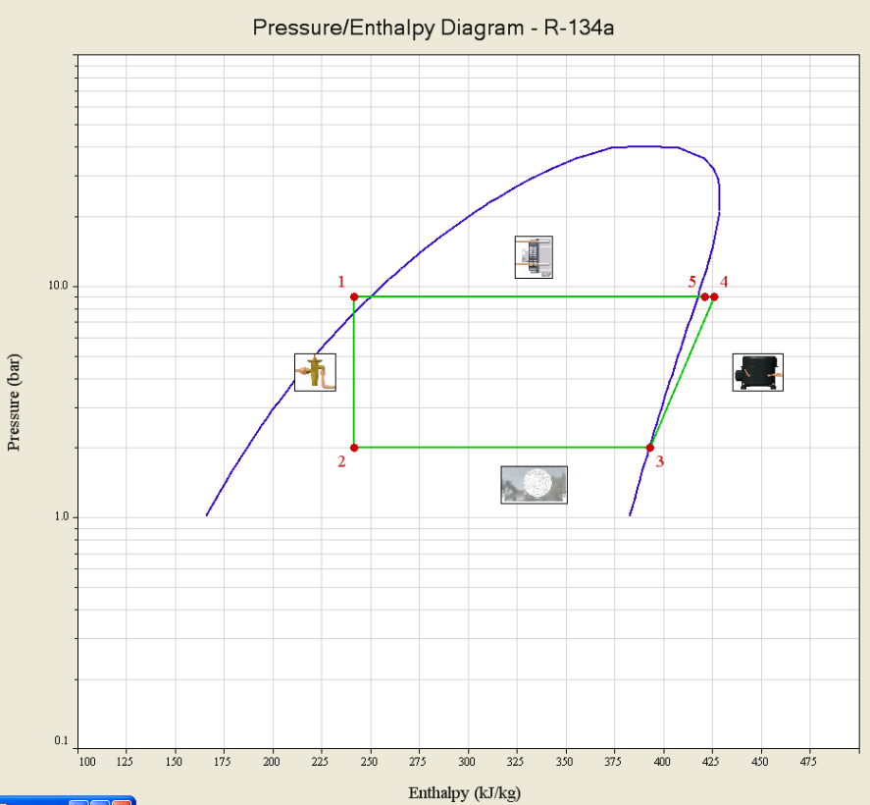

SteadyState4
